Bug report 1
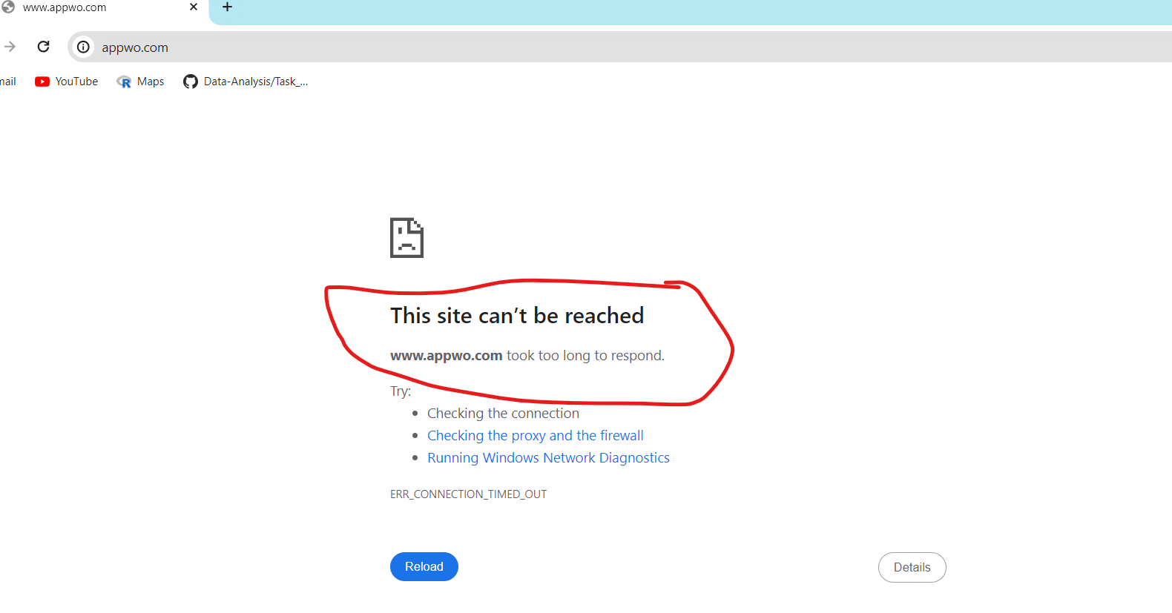
 |  | BUG REPORT

1) | Bug ID : 001
2) | Bug name : When user click on app.vwo link it does not work.
3) | Bug description : When user open app.vwo website it does not work in browser
4) | Steps to repoduce : 1) Click on app.vwo website
5) | Test case ID : TC_001
6) | Status of bug : New
7) | Severity of bug : Critical
8) | Priority of bug : High
9) | Reproducability : Always
10) | Screenshot :

